LED(原始)
Maker | Model | Automobile Compliant | Size |  |  |  |  | Luminance Distribution |  | Luminous Flux | Electrical Properties |  |  | Power Efficiency | Thermal Resistance |  | Color Coordinate |  | RA |  |  |  | Ray File |  |  | Remark
 |  |  | Length (mm) | Width (mm) | Package size length | Package size Width | Aspect Ratio | Spatial | Angular | lm (typ.) | Current (A) | Voltage (V) | Power(W) | lm/W | R_real | R_el | Cx | Cy | H. Temp. storage | L. Temp storage | Temp. Humidity storage | Thermal shock | Zemax | Lighttools | SPOES
NICHIA | NJSW172C | V | 2.4 | 2.4 | 3 | 3 | 1 | Non-uniform | Uniform | 128 | 0.35 | 3.1 | 1.085 | 118 | 10.1 | 5.6 | 0.286 | 0.24 | 125C 1000hr | -40C 1000hr | 85C/85% 1000hr | -40~125C 100cycle |  | V | V | Die influence is obvious
 | KW CELNM2.TK | V | 1.5 | 1.5 |  |  | 1 | uniform | uniform | 395 | 1 | 3 | 3 | 132 |  |  | 0.32 | 0.33
 | NCSW170C | V | 1.15 | 1.15 |  |  | 1 | Uniform | Uniform | 280 | 1 | 3.25 | 3.25 | 86 |  |  | 0.286 | 0.24 |  |  |  |  |  |  |  | Rectangular emitting area
Lextar | PF03N05 | V | 1.26 | 1.26 |  |  | 1 | Non-uniform | Non-uniform | 420 | 1 | 3.25 | 3.25 | 129 |  |  | 0.32 | 0.33 |  |  |  |  |  |  |  | Asymmetrical spot
 | PF03N12 | V | 1.03 | 1.03 |  |  | 1 | Uniform | Uniform | 390 | 1 | 3.25 | 3.25 | 120 |  |  | 0.32 | 0.33
 | PC50X02 V3 | V | 2.15 | 2.15 |  |  | 1 | Uniform | Uniform | 280 | 0.7 | 2.8 | 1.96 | 143 |  |  | 0.39 | 0.58 |  |  |  |  |  |  |  | Circular emitting area
 | PC50X02 V4 | V | 2.15 | 2.15 |  |  | 1 | Non-uniform | Non-uniform | 270 | 0.7 | 3 | 2.1 | 129 |  |  | 0.28 | 0.28 |  |  |  |  |  |  |  | Dome lens, asymmetrical spot
 | PT30Z54 | V | 2.5 | 2.5 |  |  | 1 |  |  | 120 | 0.35 | 2.95 | 1.0325 | 116 |  |  | 0.285 | 0.24 |  |  |  |  |  |  |  | Circular emitting area
HARVATEK | SF121241 |  |  |  |  |  |  | Non-uniform | Non-uniform
Osram
Cree
Note: |  | Must | 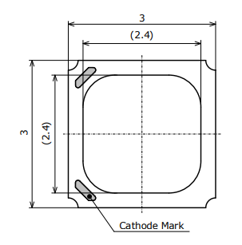 |  |  |  |  |  |  | 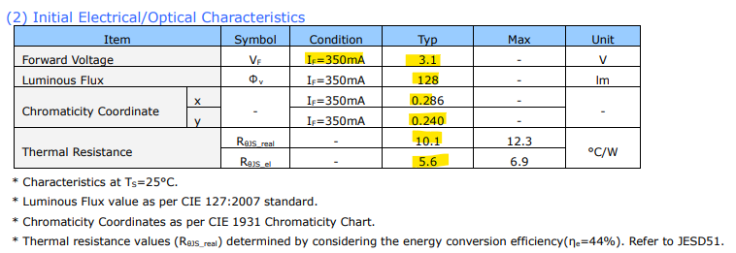 目標用於車載 1. 1W以上 2. 色座標在0.28, 0.25 +/- 0.05 |  |  |  |  |  |  |  |  | 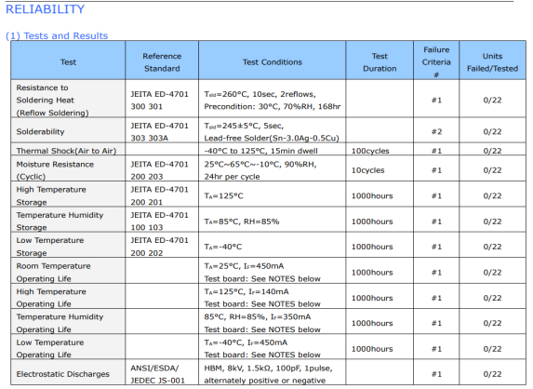

NICHIA
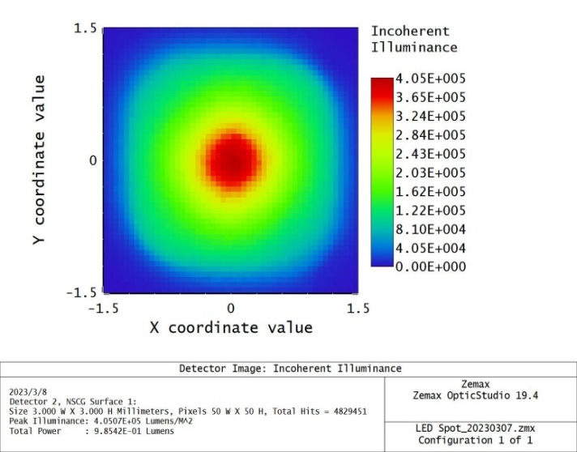
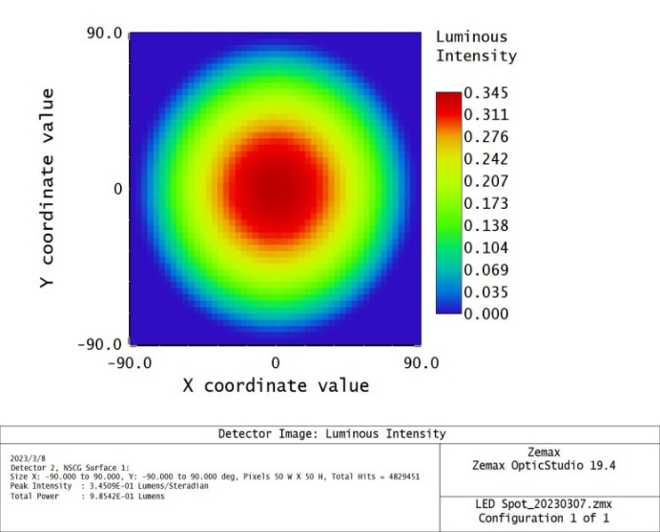
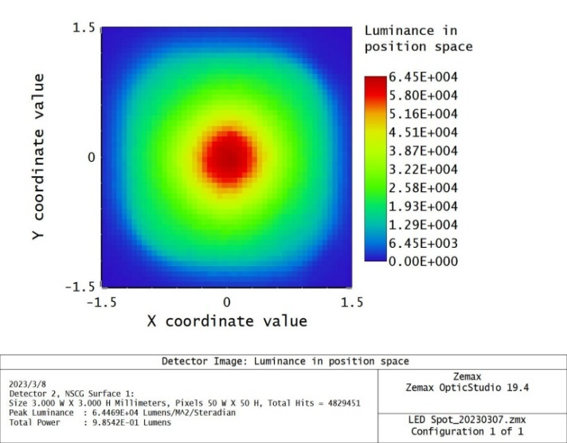
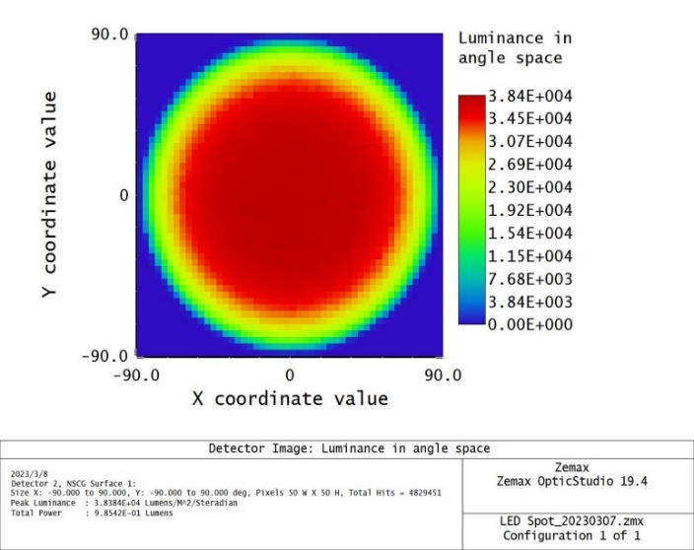
Maker | Model | Automobile Compliant | Size |  |  |  |  | Luminance Distribution |  | Luminous Flux | Electrical Properties |  |  | Power Efficiency | Thermal Resistance |  | Color Coordinate |  | RA |  |  |  | Ray File |  |  | Application
 |  |  | Length (mm) | Width (mm) | Package size length | Package size Width | Aspect Ratio | Spatial | Angular | lm (typ.) | Current (A) | Voltage (V) | Power(W) | lm/W=K/N | R_real | R_el | Cx | Cy | H. Temp. storage | L. Temp storage | Temp. Humidity storage | Thermal shock | Zemax | Lighttools | SPOES |  | Cost
NICHIA | NJSW172CT-E(5829B)apx-HUD | V | 2.4 | 2.4 | 3 | 3 | 1 | Non-uniform | Uniform | 128 | 0.35 | 3.1 | 1.085 | 118 | 10.1 C/W | 5.6 C/W | 0.286 | 0.24 | 125C 1000hr | -40C 1000hr | 85C/85% 1000hr | -40~125C 100cycle |  | V | V | For Backlight LED // HUD | 人民幣 3 | Start of Sales：2018/11 | https://item.taobao.com/item.htm?spm=a1z10.3-c.w4002-22642823430.15.82ce54cbJ5bM1L&id=575645759123
 | NCSW170DT-E(6014)apx | V | 1.15 | 1.15 | 1.8 | 1.45 | 1 | Uniform | Uniform | 300 | 1 | 3.25 | 3.25 | 92 | 3.9 C/W | 2.5 C/W | 0.286 | 0.24 | 125C 1000hr | -40C 1000hr | 85C/85% 1000hr | -40~125C 100cycle |  | V | V | For Backlight LED Headlight&ADB &DRL&HUD | 人民幣 6.78 | Start of Sales：2018/01 | https://item.taobao.com/item.htm?spm=a1z0d.7625083.1998302264.6.5c5f4e69j85uhy&id=624805881577
 | NJSW172BT-E(4837A)apx | V | 2.4 | 2.4 | 3 | 3 | 1 |  |  | 106 | 0.35 | 3.1 | 1.085 | 98 | 10.1 C/W | 6.2 C/W | 0.286 | 0.24 | 125C 1000hr | -40C 1000hr | 60C/90% 1000hr | -40~125C 100cycle |  | V | V | For Backlight LED DRL&HUD | 人民幣 2 | Start of Sales：2017/05 | https://item.taobao.com/item.htm?spm=a1z10.3-c.w4002-22642823430.19.82ce54cbJ5bM1L&id=615495845220

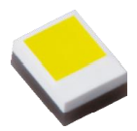

NJSW172CT-E(5829B)apx-HUD |  |  |  |  |  |  |  |  | NCSW170DT-E(6014)apx
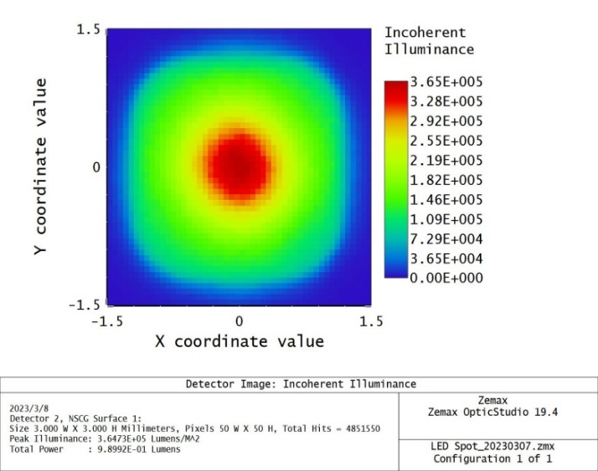
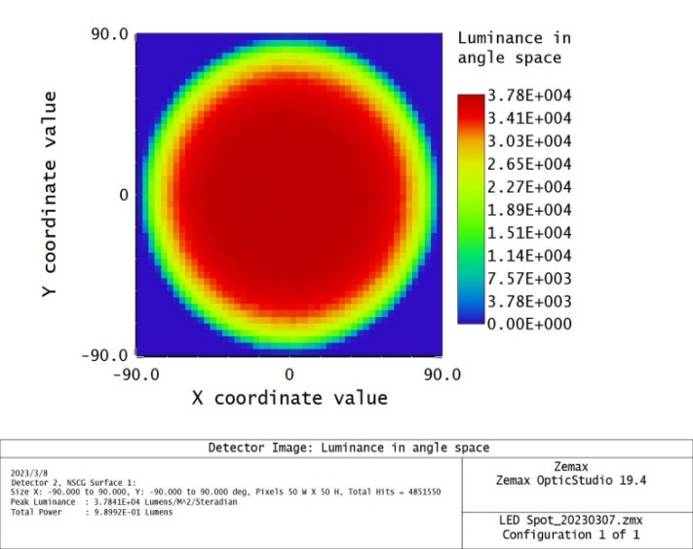


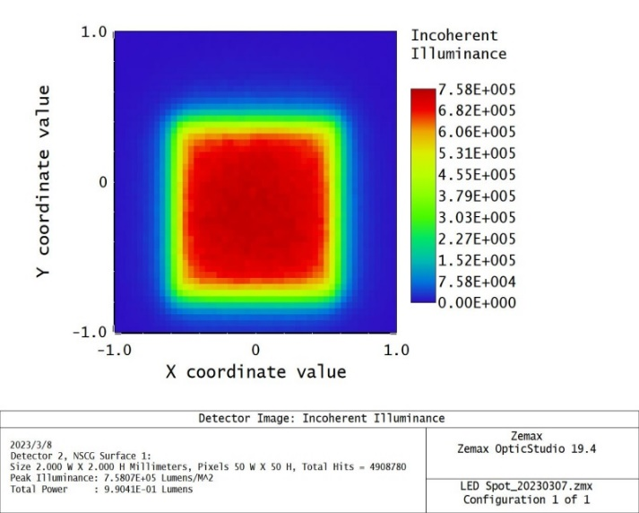
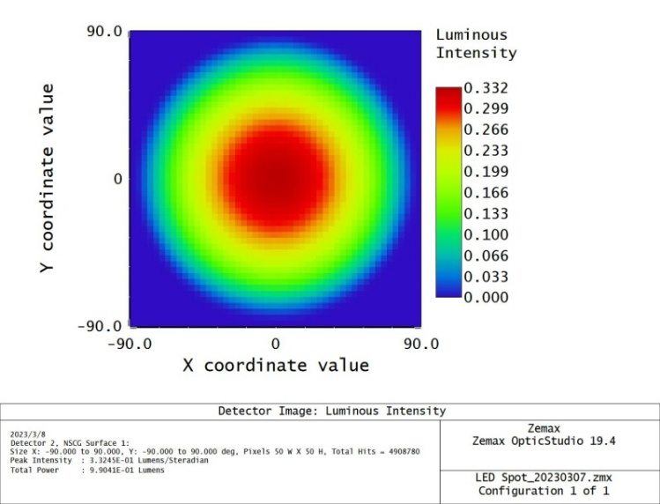

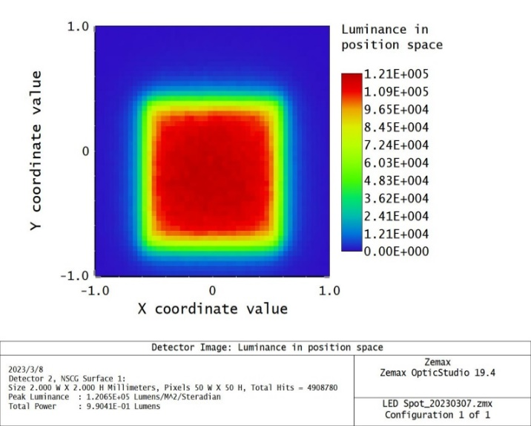
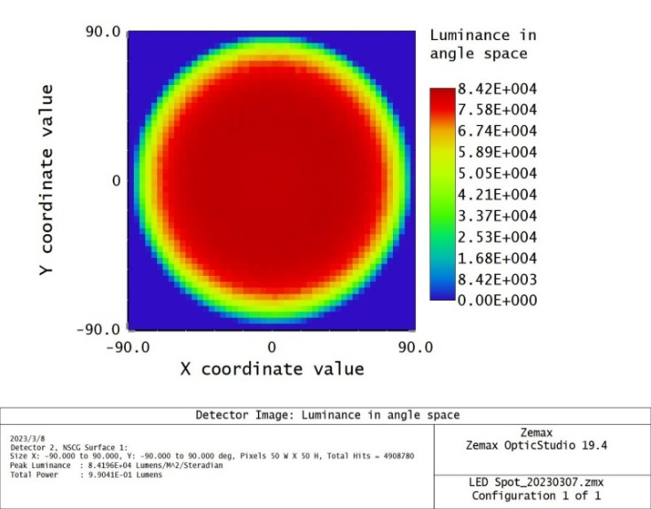

NJSW172BT-E(4837A)apx

OSRAM
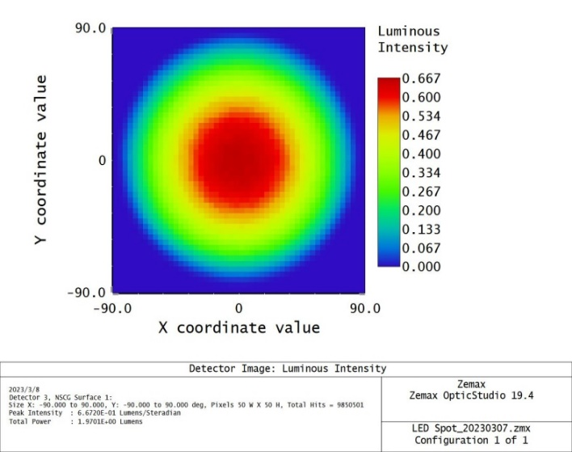
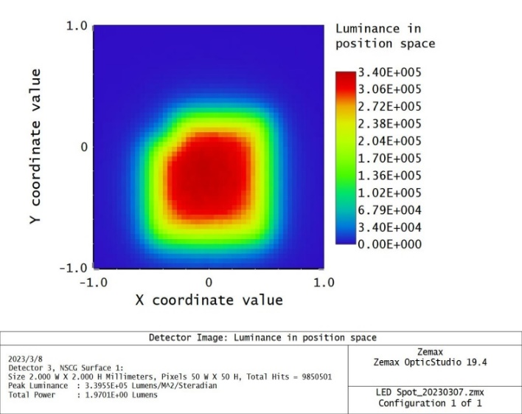
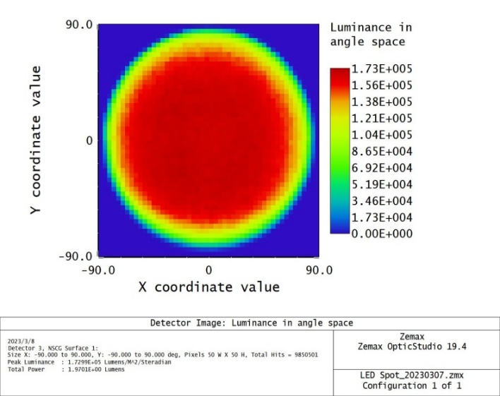
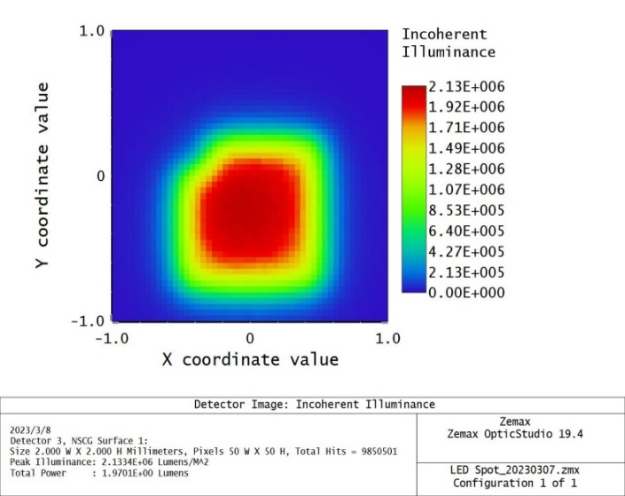
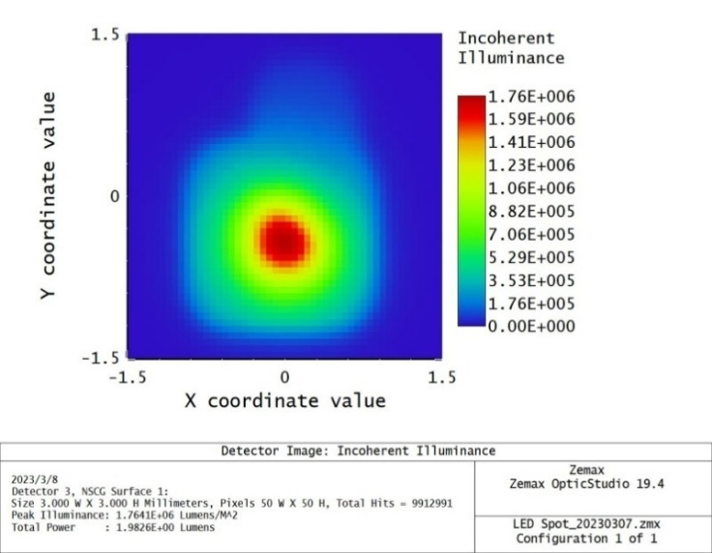
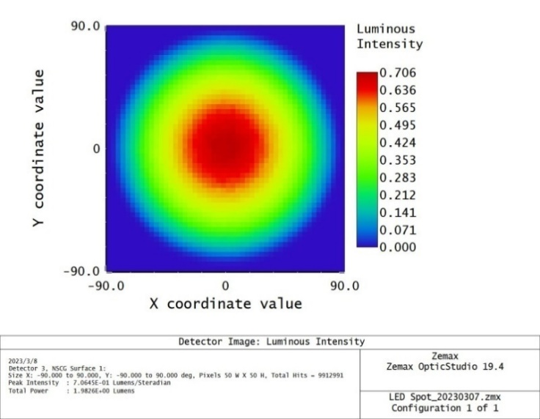


Maker | Model | Automobile Compliant | Size |  |  |  |  | Luminance Distribution |  | Luminous Flux | Electrical Properties |  |  | Power Efficiency | Thermal Resistance |  | Color Coordinate |  | RA |  |  |  | Ray File |  |  | Application
 |  |  | Length (mm) | Width (mm) | Package size length | Package size Width | Aspect Ratio | Spatial | Angular | lm (typ.) | Current (A) | Voltage (V) | Power(W) | lm/W=K/N | R_real | R_el | Cx | Cy | H. Temp. storage | L. Temp storage | Temp. Humidity storage | Thermal shock | Zemax | Lighttools | SPOES |  | Cost
ams OSRAM | KW CELNM2.TK | V | 1.03 | 1.48 | 1.5 | 1.9 | 0.69594594595 | V | V | 395 | 1 | 3.15 | 3.15 | 125 | 4.6K/W | 2.9K/W | 0.325 | 0.345 | 135 | -40 |  |  | V | V | V | Headlamps, LED & Laser & Night Vision | 1000/27.81 | https://www.mouser.tw/ProductDetail/ams-OSRAM/KW-CELNM2.TK-S2S8-4L07M0-2686?qs=hWgE7mdIu5SXifEiDnJTGw%3D%3D
 | KW DPL832.K1 | V | 3.58 | 1.06 | 4 | 1.4 | 3.3773584906 |  |  | 75 | 0.1 | 6.05 | 0.605 | 124 | 20K/W | 11K/W | 0.28 | 0.26 | 100 | -40 |  |  | V | V | V | Displays (Backlighting) | 4000/7.46 | https://www.mouser.tw/ProductDetail/ams-OSRAM/KW-DPL832.K1-7J6K-DEGL-L1-39?qs=wnTfsH77Xs6F9Oh3DfLsZg%3D%3D
 | KW DPL833.KD | V | 3.7 | 1.1 | 4 | 1.4 | 3.3636363636 |  |  | 93.4 | 0.12 | 6 | 0.72 | 130 | 12 K/W | 6.8 K/W | 0.28 | 0.26 | 100 | -40 |  |  | V | V | V | Display Backlighting | 1000/10.23 | https://www.mouser.tw/ProductDetail/ams-OSRAM/KW-DPL833.KD-JULP-D025D184-HP-N464?qs=rQFj71Wb1eXPiyGr%252BovpVQ%3D%3D
 | LUW CEUN.CE(CM) | V | 0.765 | 0.765 | 1.6 | 1.2 | 1 |  |  | 125 | 0.35 | 2.97 | 1.0395 | 120 | 8.5 K/W | 6.4 K/W | 0.33 | 0.34 | 125 | -40 |  |  | V | V | V | Headlamps, LED & Laser & Night Vision | 1000/44.81 | https://www.mouser.tw/ProductDetail/ams-OSRAM/LUW-CEUN.CE-7K6L-HNJN-1-Z?qs=74fRo9GAWsy%2FLgaAxIgPUQ%3D%3D
 | LUW CEUP.HD | V | 1.03 | 1.03 | 1.9 | 1.5 | 1 |  |  | 290 | 1 | 3.05 | 3.05 | 95 | 5.7 K/W | 3.9 K/W | 0.278 | 0.245 | 125 | -40 |  |  | V | V | V | Head-Up Display LED & Laser | 1000/45.49 | https://www.mouser.tw/ProductDetail/ams-OSRAM/LUW-CEUP.HD-7M6N-U1U3-8E8G?qs=vLWxofP3U2y%2Fte0KzLOlxw%3D%3D
 | KW DMLQ32.SB | V |  |  | 2.75 | 2 |  |  |  | 120 | 0.35 | 2.95 | 1.0325 | 116 | 10 K/W | 7 K/W | 0.27 | 0.25 | 125 | -40 |  |  | V | V | V | Displays (Backlighting) Head-Up Display LED & Laser Industry Monitors (Backlighting) | 2000/17.85 | https://www.mouser.tw/ProductDetail/ams-OSRAM/KW-DMLQ32.SB-6K7L-H5S7-PU-15B5?qs=DPoM0jnrROXZoxFmniI8wQ%3D%3D
 | KW DMLN32.SB | V |  |  | 2.75 | 2 |  |  |  | 62.8 | 0.2 | 2.99 | 0.598 | 105 | 18 K/W | 13 K/W | 0.27 | 0.25 | 125 | -40 |  |  | V | V | V | Head-Up Display LED & Laser Interior Illumination (e.g. Ambient Map) | 1000/13.07 | https://www.mouser.tw/ProductDetail/ams-OSRAM/KW-DMLN32.SB-7H6K-H5S7-MU-15B5?qs=sGAEpiMZZMt82OzCyDsLFMdKrTkQfYkYzbJw2dbh10k%3D

OSRAM-LUW_CEUP_HD |  |  |  |  |  |  |  |  | OSRAM-KW_DMLQ32.SB

ProLight 葳天科技
Maker | Remark | Model | Automobile Compliant | Size |  |  |  |  | Luminance Distribution |  | Luminous Flux | Electrical Properties |  |  | Power Efficiency | Thermal Resistance |  | Color Coordinate |  | RA |  |  |  | Ray File |  |  | Application
 |  |  |  | Length (mm) | Width (mm) | Package size length | Package size Width | Aspect Ratio | Spatial | Angular | lm (typ.) | Current (A) | Voltage (V) | Power(W) | lm/W=K/N | R_real | R_el | Cx | Cy | H. Temp. storage | L. Temp storage | Temp. Humidity storage | Thermal shock | Zemax | Lighttools | SPOES |  | Cost(TW)
ProLight |  | PBVA-4FWE-F1G12 | V |  |  | 2 | 1.6 |  |  |  | 310 | 1 | 3.2 | 3.2 | 96.875 |  | 6 | 0.28 | 0.27 | 125 | -40 | 85C/85% 1000hr |  |  |  |  | ‧ Exterior Automotive Lighting
 |  | PCSP-1FWE-1616FR7 | V |  |  |  |  |  |  |  | 79 | 0.2 | 2.7 | 0.54 | 146.2962963 |  |  | 0.278 | 0.264 |  |  |  |  |  |  |  | Head Up Display

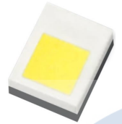

PBVA-4FWE-F1G12

HARVATEK 宏齊
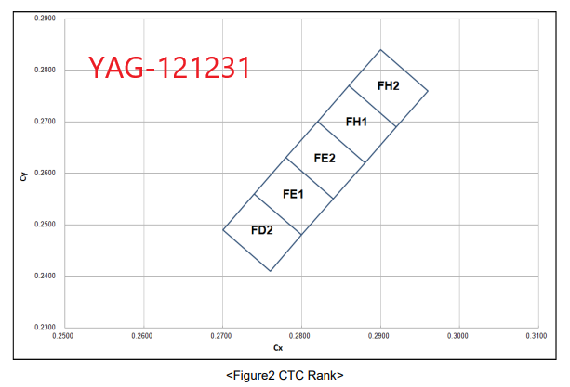
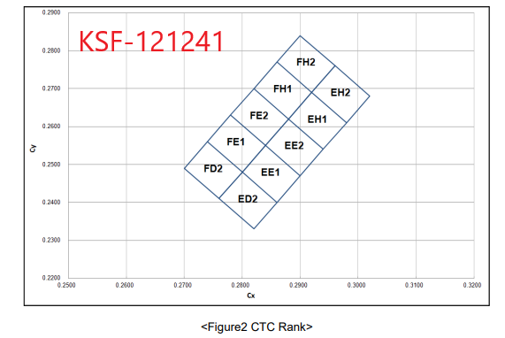
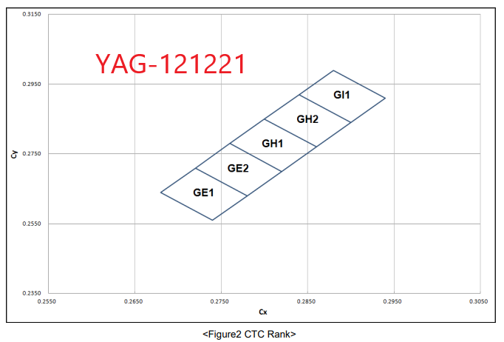
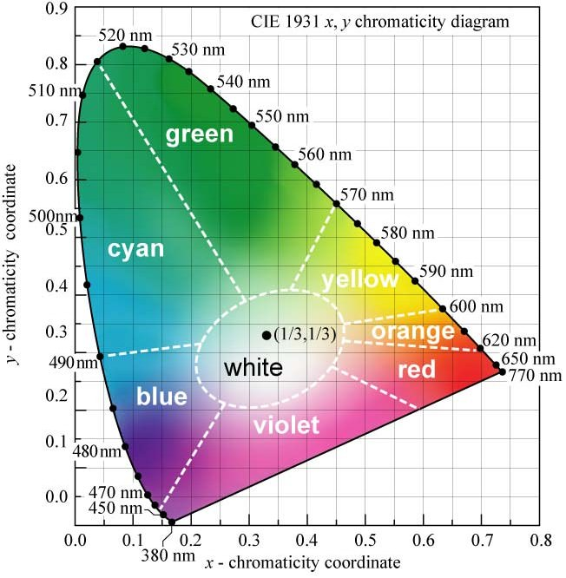
Maker | Remark | Model | Automobile Compliant | Size |  |  |  |  | Luminance Distribution |  | Luminous Flux | Electrical Properties |  |  | Power Efficiency | Thermal Resistance |  | Color Coordinate |  | RA |  |  |  | Ray File |  |  | Application
 |  |  |  | Length (mm) | Width (mm) | Package size length | Package size Width | Aspect Ratio | Spatial | Angular | lm (typ.) | Current (A) | Voltage (V) | Power(W) | lm/W=K/N | R_real | R_el | Cx | Cy | H. Temp. storage | L. Temp storage | Temp. Humidity storage | Thermal shock | Zemax | Lighttools | SPOES |  | Cost(TW)
HARVATEK(宏齊) |  | HT-SA121231(YAG) |  | 0.662 | 0.662 | 1.2 | 1.2 |  |  |  | 63.5 | 0.2 | 2.9 | 0.58 | 109.48275862 |  | 2.158 | 0.285 | 0.265 | 85 | -40 |  |  |  |  |  | General Lighting application Bulb/Spot light Backlight
 |  | HT-SA121241(KSF) |  | 0.662 | 0.662 | 1.2 | 1.2 |  |  |  | 52.5 | 0.2 | 2.9 | 0.58 | 90.517241379 |  | 2.158 | 0.285 | 0.265 | 85 | -40
 |  | HT-SC121221(YAG) |  | 0.662 | 0.662 | 1.2 | 1.2 |  |  |  | 62.83 | 0.2 | 2.9 | 0.58 | 108.32758621 |  | 2.158 | 0.285 | 0.265 | 85 | -40
 |  | HT-SF121281(KSF) |  | 0.662 | 0.662 | 1.2 | 1.2 |  |  |  | 21.77 | 0.1 | 2.8 | 0.28 | 77.75 |  | 2.158 | 0.285 | 0.265 | 85 | -40
 |  | HT-SF121281(YAG) |  | 0.79 | 0.79 | 1.2 | 1.2 |  |  |  | 17 | 0.05 | 2.7 | 0.135 | 125.92592593 |  | 2.158 | 0.28 | 0.28 | 85 | -40

everlight億光電子
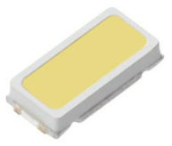
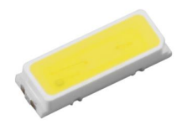
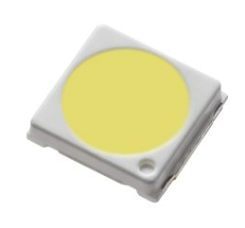
Maker | Model | Automobile Compliant | Size |  |  |  |  | Luminance Distribution |  | Luminous Flux | Electrical Properties |  |  | Power Efficiency | Thermal Resistance |  | Color Coordinate |  | RA |  |  |  | Ray File |  |  | Application
 |  |  | Length (mm) | Width (mm) | Package size length | Package size Width | Aspect Ratio | Spatial | Angular | lm (typ.) | Current (A) | Voltage (V) | Power(W) | lm/W=K/N | R_real | R_el | Cx | Cy | H. Temp. storage | L. Temp storage | Temp. Humidity storage | Thermal shock | Zemax | Lighttools | SPOES |  | Cost
Everlight | Top View LEDs BLA-3014PZ1UN3C-C1Q6E2438D2731 | V |  |  | 3 | 1.4 |  |  |  |  | 0.08 | 3.2 | 0.256 | 0 |  |  | 0.277 | 0.247 | 110 | -40 |  |  |  |  |  | Automotive backlighting or indicator.
 | Top View LEDs BLA-4014PZ1EN3C-C1Q6E3448D2832 | V |  |  | 4 | 1.4 |  |  |  |  | 0.12 | 3 | 0.36 |  |  |  | 0.277 | 0.247 | 110 | -40 |  |  |  |  |  | Automotive backlighting or indicator.
 | BL-3030 GN2E | X |  |  | 3 | 3 |  |  |  |  | 0.6 | 3 | 1.8 |  |  |  | 0.277 | 0.247 | 100 | -40 |  |  |  |  |  | Backlight for LCD Monitor/TV General use

立基電子
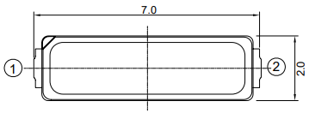
Maker | Model | Automobile Compliant | Size |  |  |  |  | Luminance Distribution |  | Luminous Flux | Electrical Properties |  |  | Power Efficiency | Thermal Resistance |  | Color Coordinate |  | RA |  |  |  | Ray File |  |  | Application
 |  |  | Length (mm) | Width (mm) | Package size length | Package size Width | Aspect Ratio | Spatial | Angular | lm (typ.) | Current (A) | Voltage (V) | Power(W) | lm/W=K/N | R_real | R_el | Cx | Cy | H. Temp. storage | L. Temp storage | Temp. Humidity storage | Thermal shock | Zemax | Lighttools | SPOES |  | Cost
立基電子 | LG-7020WKZ-2-P-A03 | V |  |  | 7 | 2 | 1 |  |  | 90 | 0.12 | 6.6 | 0.792 | 114 |  |  | 0.2906 (max) | 0.2727 (max) | 100C 1000hr | -40C 1000hr | 85C/85% 1000hr | -40~100C 20min/10sec/20min 100cycle |  |  |  | 1.Reading light(car、bus、aircraft) 2.Automotive Exterior 3.Backlight (Monitor TV)/Light Guides
 | LG-7020WKZ-2-P-A07 | V |  |  | 7 | 2 | 1 |  |  | 60 | 0.12 | 6.6 | 0.792 | 76 |  |  | 0.2741 (max) | 0.25 (max) | 100C 1000hr | -40C 1000hr | 85C/85% 1000hr | -40~100C 20min/10sec/20min 100cycle

Seoul


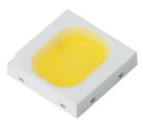
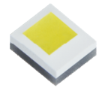
Maker | Model | Automobile Compliant | Size |  |  |  |  | Luminance Distribution |  | Luminous Flux | Electrical Properties |  |  | Power Efficiency | Thermal Resistance |  | Color Coordinate |  | RA |  |  |  | Ray File |  |  | Application
 |  |  | Length (mm) | Width (mm) | Package size length | Package size Width | Aspect Ratio | Spatial | Angular | lm (typ.) | Current (A) | Voltage (V) | Power(W) | lm/W=K/N | R_real | R_el | Cx | Cy | H. Temp. storage | L. Temp storage | Temp. Humidity storage | Thermal shock | Zemax | Lighttools | SPOES |  | Cost
seoul | SBWNO120E | V | 2.6 | 1 | 3 | 1.4 | 1 |  |  | 34.5 | 0.08 | 2.95 | 0.236 | 146 |  | 22 | 0.29 | 0.275 | 100 | -40 | 60C/90% 1000hr | -40~125C 100cycle |  |  |  | Automotive TFT LCD Backlighting (Cluster, Navigation and others) • Flat Backlighting (LCD, Display)
 | SBWN2120E | V | 3.5 | 1 | 4 | 1.4 | 1 |  |  | 52 | 0.12 | 3.1 | 0.372 | 140 |  | 13 | 0.29 | 0.275 | 100 | -40 | 60C/90% 1000hr | -40~125C 100cycle
 | SBJFQ120E | X | 2 | 2.6 | 3 | 3 | 1 |  |  | 121 | 0.4 | 3.1 | 1.24 | 140 |  | 10 | 0.282 | 0.245 | 100 | -40 | 25C-65C~10C DC 240mA /24hr /1cycle 95%RH 10cycle | -40~125C 200cycle |  |  |  | Flat Backlighting (LCD, Display) MNT, TV etc.
 | SWW0CS10A | V | 1.61 | 1.88 | 1.14 | 1.14 | 1 |  |  | 375 | 1 | 3.1 | 3.1 | 140 | 4.3K/W | 3K/W | 0.325 | 0.335 | 125 | -40 |  |  |  |  |  | Automotive Low Beam Headlight

Sheet1
